Introduction
Statisics

Inferential Statistic | Inferential statistics is a field of statistics that uses several analytical tools to draw inferences and make generalizations about population data from sample data

Descriptive Statistic | A descriptive statistic is a summary statistic that quantitatively describes or summarizes features from a collection of information, while descriptive statistics is the process of using and analysing those statistics.
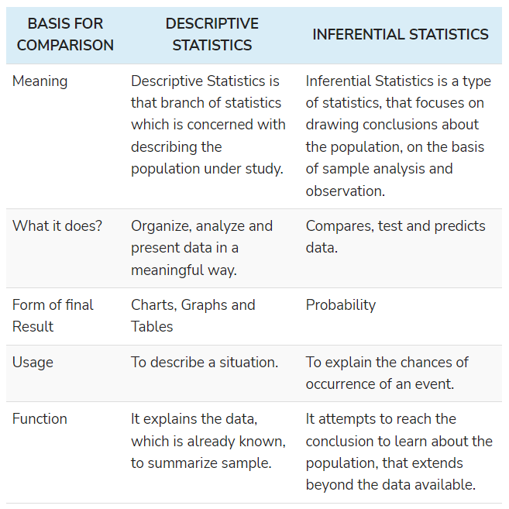

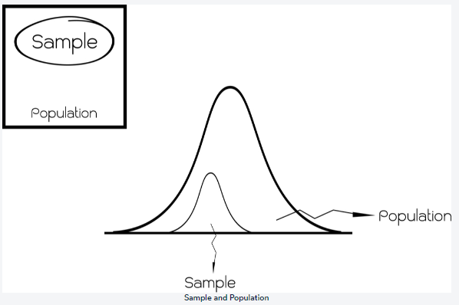

Population | Complete Set of Data is called Population

Sample | an analytic subset of a larger population

